Sheet1
 |  |  |  |  | INSTRUCTIONS
In this assignment you will configure EIGRP for the routing protocol between routers. You will configure a DHCP pool for the assigned IP addressing displayed on the packet tracer. Refer to the zoom EIGRP and DHCP recording for assistance. Open the packet tracer and configure the network with the given requirements to: 1) subnet the given IP addresses per the CIDR 2) Configure EIGRP on the routers (router addresses are from the 209 NW ID) 3) Configure DHCP on the routers to support the device IP addresses upload entire PT file. vlan eigrp dhcp-1-1.pkt Download vlan eigrp dhcp-1-1.pkt

 |  |  |  |  | SUBNETTING

Left Leg | VLAN 100 |  | Left Leg | VLAN 200 |  | Router to Cloud
32/224//27 |  |  | 64/192//26

NW ID | 192.168.100.0 |  | NW ID | 209.165.200.0 |  | 209.165.200.64
First | x.x.x..1 |  | First | x.x.x.1 |  | First | x.x.x.65
Last | x.x.x.30 |  | Last | x.x.x.62 |  | Last | x.x.x.67
Broadcast | x.x.x.31 |  | Broadcast | x.x.x.63 |  | Broadcast | x.x.x.68
Next | x.x.x.32 |  | Next | x.x.x.64 |  | Next | x.x.x.69
CIDR | 255.255.255.224 |  | CIDR | 255.255.255.192 |  | CIDR | 255.255.255.252

DG | x.x.x.1 |  | DG | x.x.x.1 |  | DG

 |  |  |  | PACKET TRACER
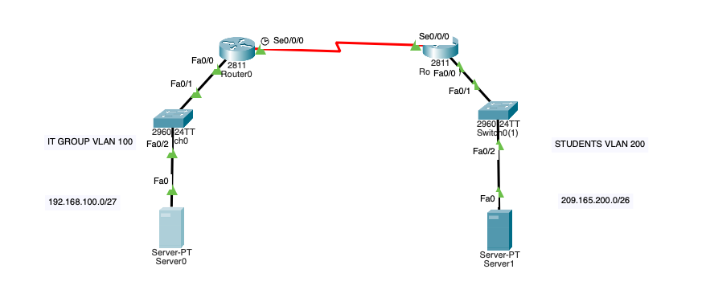

 |  |  |  |  | COMMAND LINE

PC/SERVER 0 (LEFT LEG)
IP CONFIGURATION |  | COMMAND
IPv4 Address |  | 192.168.100.2
Subnet Mask |  | 255.255.255.224
Default Gateway |  | 192.168.100.1

SWITCH 0 LEFT LEG
IP CONFIGURATION |  | COMMAND
 |  | en
 |  | config t
 |  | vlan 100
 |  | name vlan100
 |  | int vlan 100
 |  | ip addr 192.168.100.3 255.255.255.224
 |  | int f0/2
 |  | switchport access vlan 100
 |  | int f0/1
 |  | switchport mode trunk
 |  | ip default-gateway 192.168.100.1

ROUTER 0 LEFT LEG
IP CONFIGURATION |  | COMMAND
 |  | en
 |  | config t
 |  | int f0/0.100
 |  | ecapsulation dot1Q 100
 |  | ip addr 192.168.100.1 255.255.255.224
 |  | int f0/0
 |  | no sh
 |  | exit
 |  | ip dhcp pool vlan100
 |  | network 192.168.100.0 255.255.255.224
 |  | default-router 192.168.100.1
 |  | exit
 |  | ip dhcp excluded-address 192.168.100.1 192.168.100.9

PC/SERVER 1 (RIGHT LEG)
IP CONFIGURATION |  | COMMAND
IPv4 Address |  | 209.165.200.2
Subnet Mask |  | 255.255.255.192
Default Gateway |  | 209.165.200.1

SWITCH 1 RIGHT LEG
IP CONFIGURATION |  | COMMAND
 |  | en
 |  | config t
 |  | vlan 200
 |  | name vlan200
 |  | int vlan200
 |  | ip addr 209.165.200.3 255.255.255.192
 |  | int f0/2
 |  | switchport access vlan 200
 |  | int f0/1
 |  | switchport mode trunk
 |  | ip default-gateway 209.165.200.1

ROUTER 1 RIGHT LEG
IP CONFIGURATION |  | COMMAND
 |  | en
 |  | config t
 |  | int f0/0.200
 |  | encapsulation dot1Q 200
 |  | ip addr 209.165.200.1 255.255.255.192
 |  | int f0/0
 |  | no sh
 |  | exit
 |  | ip dhcp pool vlan200
 |  | network 209.165.200.0 255.255.255.192
 |  | ip default-gateway 209.165.200.1
 |  | ip dhcp excluded-address 209.165.200.1 209.165.200.9

ROUTER 0 LEFT LEG
IP CONFIGURATION |  | COMMAND
 |  | en
 |  | config t
 |  | int s0/0/0
 |  | ip addr 209.165.200.65 255.255.255.252
 |  | no sh
 |  | router eigrp 1
 |  | eigrp router-id 1.1.1.1
 |  | network 209.165.200.0
 |  | network 192.168.100.0
 |  | no auto-summary
 |  | exit
 |  | en
 |  | config t
 |  | copy running-config startup-config

ROUTER 1 RIGHT LEG
IP CONFIGURATION |  | COMMAND
 |  | en
 |  | config t
 |  | int s0/0/0
 |  | ip addr 209.165.200.66 255.255.255.252
 |  | no sh
 |  | router eigrp 1
 |  | eigrp router-id 2.2.2.2
 |  | network 209.165.200.0
 |  | network 192.168.100.0
 |  | no auto-summary
 |  | exit
 |  | en
 |  | config t
 |  | copy running-config startup-config

